IMF1 - Guidance
Key:

 | Indicates a cell into which data should be entered in the "Outcome Measures" and "Secondary Indicators" tabs

 | Indicates a line item in the "Outcome Measures" and "Secondary Indicators" tabs that is optional

 | Conditional formatting on a cell where data isn't required

Acronyms:

BAU - Business as Usual
CBA - Cost Benefit Analysis
EIC - Energy Innovation Centre
ENA - Energy Networks Association
LNO - Licensed Network Operator
SNP - Smarter Networks Portal

Data capture guidance:

Data will be captured at various points in the innovation process. The logs should be updated with the appropriate data to reflect the projects progression from Idea through to BAU solution implementation.
Contextual measures are reported directly into the "Outcome measures" and "Secondary indicators" tabs, while individual project data is entered directly into "Idea log", "Project log" and "BAU log" as appropriate.

Please note: In "Outcome Measures" and "Secondary Indicators" tabs, cells are grouped for readability - but can be expanded for additional detail / data entry.

The below graphic shows the appropriate points at which all project data points will be captured:

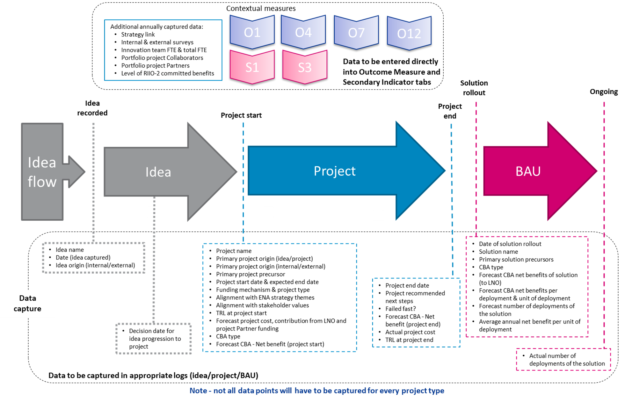

Additional points:

Adding rows:
To add additional rows into Idea log, Project log or BAU log, please insert new rows between the current ones contained within the boundaries - rather than adding to the bottom of the sheet.

Time periods to be used for CBAs:
Two different assessment time periods for CBA can be used, to reflect the different nature of innovation projects and innovative solutions.
These should be reflected in column AB in the Project log, and column F in the BAU log. And the net benefits reflect the CBA methodology used:
• Asset based assessment – Where the Method or solution is focussed on delivering asset benefits, then the CBA should be undertaken across the lifetime of the asset e.g. 45 years
• Operational improvements assessment – Where the Method or solution is focussed on delivering operational benefits, then the CBA should be undertaken out to the end of the next price control (RIIO-3)

Handling variations of benefits in BAU log rollout tracking:
It has been highlighted that the benefits of a solution could vary by location. For the majority of solutions the CBA will make assumptions for the average net benefit delivered. However where the location of deployment makes a material difference to the per deployment net benefit (e.g. +/-50%) then the reporting LNO can report that as a separate line in the BAU log and track the number of deployments separately.

We are aware that as a solution is rolled out, it may become apparent that the assumed net benefit per deployment is different from that initially captured. We propose that these are only updated at the end of the price control period, in order to avoid figures changing year on year and making it difficult for stakeholders to interpret the data

IMF9 - Project Partners
Project Partners (at portfolio level - no double counting) |  |  |  |  |  |  |  | DO NOT DELETE
Academia | GB Networks | Non-GB Networks | Private sector (small) | Private sector (medium) | Private sector (large) | Public sector | Non-profit | Count of Academia | Count of GB Networks | Count of Non-GB Networks | Count of Private sector (small) | Count of Private sector (medium) | Count of Private sector (large) | Count of Public sector | Count of Non-profit
Imperial College London | Cadent |  | ElectraLink | CGI | AP Sensing | Oxfordshire County Council | Centre for Sustainable Energy (CSE) | 16 | 12 | 4 | 56 | 19 | 28 |  | 7
PNDC - University of Strathclyde | Electricity North West ( ENWL) |  | GHD | Low Carbon Hub | Associated British Ports ( ABP) | Portsmouth City Council | Electron
University of Glasgow | Electricity System Operator (ESO) |  | HAYSYS Ltd | Sia Partners | Atkins Limited | Portsmouth International Port | Energy Innovation Centre (EIC)
University of Oxford | National Grid |  | Hive Composites |  | Baringa | Somerset Council | European Marine Energy Centre ( EMEC)
University of Reading | National Grid Electricity Distribution ( NGED) |  | IB1 Ltd |  | Element Energy | Greater London Authority | Flex Assure | Academia | GB Networks | Non-GB Networks | Private sector (small) | Private sector (medium) | Private sector (large) | Public sector | Non-profit
University of Southampton | Northern Gas Networks (NGN) |  | Open Grid Systems |  | E-On | Borough of Hackney | National Energy Action | 16 | 12 | 4 | 56 | 19 | 28 | 0 | 7
 | Northern Powergrid (NPG) |  | Origami |  | Ground Control | Oxford City Council | Regen
 | Southern Gas Networks (SGN) |  | Spectral Line Ltd |  | IBM |  | The Smith Institute
 | SP Energy Networks ( SPEN) |  | Steer Energy |  | NEOS |  | Aberdeen NHT
 | SSEN Transmission |  | Powerline Technologies Ltd |  | O2 |  | Retrofit Works
 | UK Power Network ( UKPN) |  | Derryherk |  | Octopus |  | Centre for Net Zero | Notes
 | Western Power Distribution |  | Threepwood |  | Ohme |  |  | Add project partner by type
 | Wales and West Utilities (WWU) |  | Eneida |  | Ovo |  |  | 2022/23 submission highlighted green
 | Scotland Gas Networks (SGN) |  | GenGame |  | Smart DCC
 |  |  | Accent MR |  | Utilita
 |  |  | RINA |  | Virgin Media
 |  |  | Electron |  | Vodafone
 |  |  | Advanced Infrastructure |  | Prysmian
 |  |  | Quarriers |  | Sicame
 |  |  | Palantir |  | TE Connectivity
142 Project Partners
 |  |  | Frontier Economics |  | Ricardo
 |  |  | Environmental Project Support |  | AWS

